Figure 1
Figure 1
Top personal tax rates on dividends and ordinary income, 1972-2013
Year | Eligible dividends | Ordinary dividends | Interest
1972 | 0.45204151482 | 0.45204151482 | 0.61384338026
1973 | 0.47236022506 | 0.47236022506 | 0.6299111096
1974 | 0.47251991982 | 0.47251991982 | 0.63005068812
1975 | 0.47268170966 | 0.47268170966 | 0.63021779269
1976 | 0.47227971898 | 0.47227971898 | 0.62958263612
1977 | 0.45287293967 | 0.45287293967 | 0.63563810931
1978 | 0.42751948444 | 0.42751948444 | 0.64736530519
1979 | 0.42567789405 | 0.42567789405 | 0.644549484
1980 | 0.42511508646 | 0.42511508646 | 0.64385595891
1981 | 0.42804877982 | 0.42804877982 | 0.64874585337
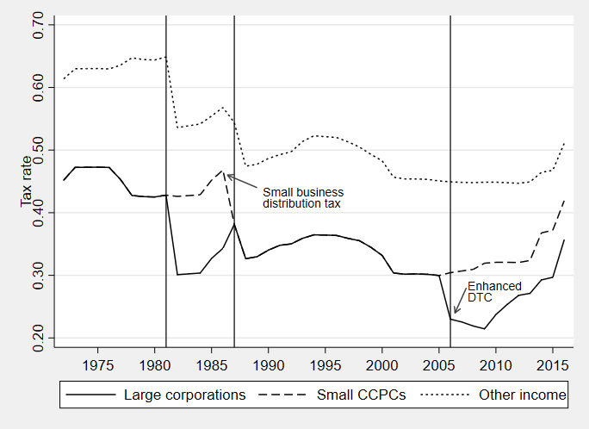
1982 | 0.3010532161 | 0.4260532161 | 0.53570323218
1983 | 0.30234293235 | 0.42734293235 | 0.53876102843
1984 | 0.30363362011 | 0.42863362011 | 0.54173483487
1985 | 0.3269468195 | 0.4519468195 | 0.55441268765
1986 | 0.34318770604 | 0.46818770604 | 0.56802766701
1987 | 0.38142544267 | 0.38142544267 | 0.54394971263
1988 | 0.32654383385 | 0.32654383385 | 0.47431117663
1989 | 0.32976573274 | 0.32976573274 | 0.47733600595
1990 | 0.34025171393 | 0.34025171393 | 0.48665149763
1991 | 0.34795643974 | 0.34795643974 | 0.49274629288
1992 | 0.35014904031 | 0.35014904031 | 0.49729316876
1993 | 0.359053638 | 0.359053638 | 0.51380582363
1994 | 0.36462527609 | 0.36462527609 | 0.522821052
1995 | 0.36434076559 | 0.36434076559 | 0.52144822057
1996 | 0.3635984163 | 0.3635984163 | 0.52009230823
1997 | 0.35901916816 | 0.35901916816 | 0.51314094397
1998 | 0.35526570823 | 0.35526570823 | 0.50487263342
1999 | 0.34484554904 | 0.34484554904 | 0.49321805061
2000 | 0.33173169149 | 0.33173169149 | 0.48284056537
2001 | 0.30371922091 | 0.30371922091 | 0.45665518493
2002 | 0.30178568044 | 0.30178568044 | 0.45392325617
2003 | 0.30218810694 | 0.30218810694 | 0.45390091981
2004 | 0.30160233501 | 0.30160233501 | 0.45321072373
2005 | 0.29975503715 | 0.29975503715 | 0.45076644823
2006 | 0.22994394687 | 0.30423097729 | 0.44931349536
2007 | 0.22550993911 | 0.30695018632 | 0.44848530424
2008 | 0.21910748032 | 0.30943918962 | 0.44796021676
2009 | 0.21454672043 | 0.31934630929 | 0.44875418476
2010 | 0.23729296787 | 0.3208205017 | 0.44874047222
2011 | 0.25358966505 | 0.32079178103 | 0.44788295204
2012 | 0.26802038378 | 0.32047288261 | 0.4470184491
2013 | 0.27122280517 | 0.32374568911 | 0.4491667084
2014 | 0.29261747383 | 0.36778132203 | 0.46445611904
2015 | 0.29686411546 | 0.37198808968 | 0.46758594509
2016 | 0.35638737984 | 0.41903617499 | 0.51049237821

Figure 2
Figure 2
Combined corporate and personal tax rates on dividends and ordinary income, 1972-2013
Year | Large corporations | Small CCPCs | Other income
1972 | 0.71566611528 | 0.65265083313 | 0.6138433814
1973 | 0.74070394039 | 0.66683441401 | 0.62991112471
1974 | 0.73550504446 | 0.66693270206 | 0.63005065918
1975 | 0.73087859154 | 0.66587775946 | 0.6302177906
1976 | 0.72736048698 | 0.66147297621 | 0.62958264351
1977 | 0.71805107594 | 0.64875793457 | 0.63563811779
1978 | 0.70736098289 | 0.63297188282 | 0.64736533165
1979 | 0.70863175392 | 0.62893301249 | 0.64454948902
1980 | 0.71813857555 | 0.57352524996 | 0.64385592937
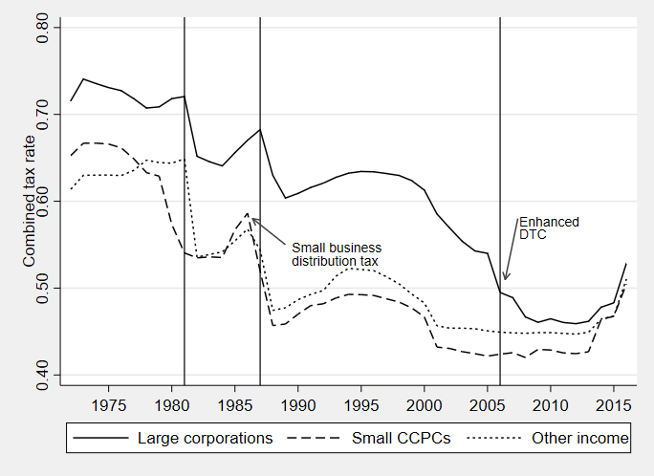
1981 | 0.72055524588 | 0.5405241847 | 0.64874583483
1982 | 0.65179646015 | 0.53486222029 | 0.53570324183
1983 | 0.64545452595 | 0.53594714403 | 0.53876101971
1984 | 0.64069026709 | 0.53521388769 | 0.54173481464
1985 | 0.65592986345 | 0.56713539362 | 0.55441266298
1986 | 0.67025375366 | 0.58625209332 | 0.56802767515
1987 | 0.68250381947 | 0.51947367191 | 0.54394972324
1988 | 0.62985050678 | 0.45686978102 | 0.47431117296
1989 | 0.60373973846 | 0.4586931169 | 0.47733601928
1990 | 0.60902017355 | 0.47004270554 | 0.48665151
1991 | 0.61582916975 | 0.47991850972 | 0.49274629354
1992 | 0.62086993456 | 0.48200231791 | 0.49729317427
1993 | 0.6275485754 | 0.4886212945 | 0.51380580664
1994 | 0.63235455751 | 0.49280685186 | 0.52282106876
1995 | 0.63427013159 | 0.49243211746 | 0.52144819498
1996 | 0.6339019537 | 0.49151486158 | 0.52009230852
1997 | 0.6319283843 | 0.4877217412 | 0.51314091682
1998 | 0.62972074747 | 0.48391923308 | 0.50487262011
1999 | 0.62376487255 | 0.47718197107 | 0.49321806431
2000 | 0.61284220219 | 0.46676924825 | 0.48284056783
2001 | 0.58530694246 | 0.43211698532 | 0.45665517449
2002 | 0.56927382946 | 0.43052011728 | 0.45392325521
2003 | 0.5539496541 | 0.42683726549 | 0.45390093327
2004 | 0.54284864664 | 0.42450895905 | 0.45321071148
2005 | 0.5400197506 | 0.42173928022 | 0.45076644421
2006 | 0.49497672915 | 0.42392739654 | 0.44931349158
2007 | 0.48901706934 | 0.42566567659 | 0.44848531485
2008 | 0.46683812141 | 0.42012569308 | 0.44796022773
2009 | 0.46063369513 | 0.42941862345 | 0.4487541914
2010 | 0.46467512846 | 0.4287097156 | 0.44874048233
2011 | 0.46046152711 | 0.42542037368 | 0.44788295031
2012 | 0.45904174447 | 0.4245262146 | 0.44701844454
2013 | 0.46175935864 | 0.42673164606 | 0.44916671515
2014 | 0.47799685597 | 0.46403253078 | 0.46445611119
2015 | 0.48304095864 | 0.46756651998 | 0.46758595109
2016 | 0.52863180637 | 0.50462979078 | 0.51049238443

Figure 3
Figure 3
Growth in real DTC tax expenditures, 1991-2013
Year | Enhanced DTC | Ordinary DTC
1991 |  | 1.5729586193
1992 |  | 1.4111635302
1993 |  | 1.4899924887
1994 |  | 1.5623750018
1995 |  | 1.7041938873
1996 |  | 1.8455741618
1997 |  | 1.9987281734
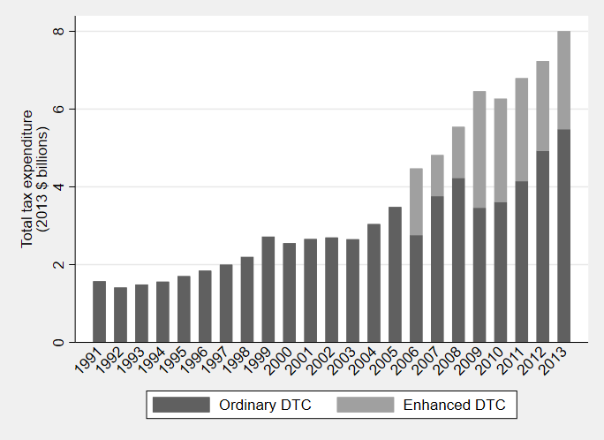
1998 |  | 2.1980703907
1999 |  | 2.7194454862
2000 |  | 2.5514065731
2001 |  | 2.6585648001
2002 |  | 2.6981050576
2003 |  | 2.6525970034
2004 |  | 3.0426691724
2005 |  | 3.4817407567
2006 | 1.7150465319 | 2.7584999405
2007 | 1.0594612527 | 3.7592336286
2008 | 1.314240459 | 4.2294541026
2009 | 2.995736552 | 3.4619962143
2010 | 2.6564494978 | 3.6111658332
2011 | 2.6502938739 | 4.1444191976
2012 | 2.3076373098 | 4.9273466592
2013 | 2.5201203118 | 5.483099365

Figure 4
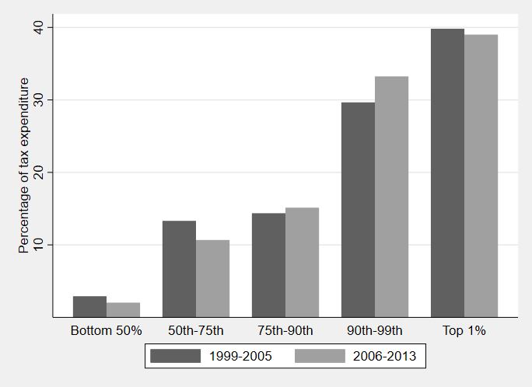
Figure 4
Distribution of DTC tax expenditures, by percentiles of total income and time period
quantile | 1999-2005 | 2006-3013
Bottom 50% | 2.8904280663 | 2.0129983425
50th-75th | 13.290877342 | 10.668050766
75th-90th | 14.344046593 | 15.110389709
90th-99th | 29.652511597 | 33.217700958
Top 1% | 39.822135925 | 38.990859985

